A. Front Suspension
 |  |  |  |  |  |  |  |  |  |  |  |  |  | Form No. RCE/22/F-002
PT SAPTAINDRA SEJATI
PLANT REBUILD CENTER

DISASSEMBLY CHECK SHEET |  |  |  |  |  | RO/MO NUMBER |  |  |  |  |  | DOCUMENT NO |  | RCE/22/F-001
FRONT SUSPENSION |  |  |  |  |  | COMP.MODEL |  |  |  |  |  | PUBLIC DATE
 |  |  |  |  |  | COMP.S/N |  |  |  |  |  | REVISION NO |  | 0
HD785-7 |  |  |  |  |  | UNIT MODEL |  |  |  |  |  | PAGE |  | 1

PROCESS |  | START |  |  |  |  |  | DISASSEMBLY BY
 |  | FINISH

NO | PART TO REMOVE OR INSPECT |  | CONDITION TOBE INSPECTED |  |  |  |  | REUSE | SALVAGE | REPLACE | SKETCH DRAWING OR PHOTHOES

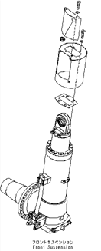
1 | Pressure Sensor, Valve assembly, and Cover
 |  |  | • | Setting Front Suspension to stand.
3
 |  |  |  |  | IMPORTANT
 |  |  |  | Prepare to stable stand that will prevent the front suspension from falling over, the set the front suspension assembly on the stand and secure it in position.

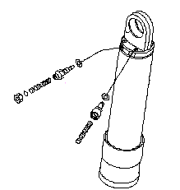
1
 |  |  | • | Remove Pressure sensor (1) and valve assembly (2) from rod cylinder.

 |  |  | • | Remove mounting bolts, then lift off cover (3).
2

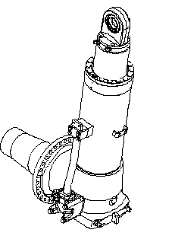
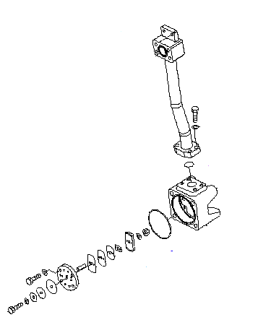
2 | Tube and Dumping Valve assembly
 |  |  | • | Loosen mounting bolts tube (4) securely to drain oil from cylinder suspension.

 |  |  |  |  | Cylinder : 16.5 l

 |  |  |  | Put an oil pan under the cylinder to receive the oil.

 |  |  | • | Remove mounting bolts (4) and remove tube (5).
4
5
 |  |  | • | Remove dumping valve assembly (6).
 |  |  |  | (Check plate for damage,crack and wear)
6

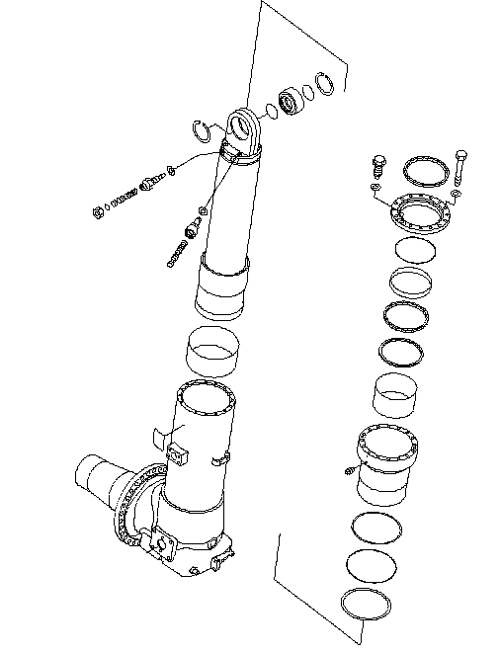
9
3 | Retainer
 |  |  | • | Remove 15 mounting bolts (7).

7
 |  |  | • | Remove retainer (8).

8
 |  |  | • | Remove dust seal (9), O-Ring (10), and bushing (11) from retainer.
 |  |  |  | (Check retainer for damage and wear)
10

11

15
4 | Rod
 |  |  | • | Remove rod (12) with flange (13) from cylinder (14).

 |  |  | • | Pull out flange (13) from rod (12).

 |  |  | • | Remove bushing (15).
 |  |  |  | (Check eye rod for damage, scratch, and wear)
12
 |  |  | • | Remove wear ring (16) and stopper (17) from rod (12).
 |  |  |  | (Check rod for damage, scratch, and wear)

16
13

14
17

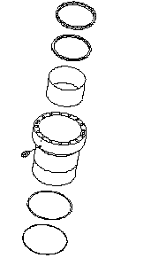
18
5 | Flange
 |  |  | • | Remove U-Packing (18).

19
 |  |  | • | Remove Ring (19).

20
 |  |  | • | Remove bushing (20).

 |  |  | • | Remove O-Ring (21) and Ring (22).
 |  |  |  | (Check Flange assembly for damage, scratch, and wear)

21

22

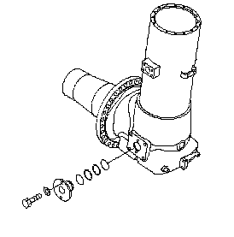
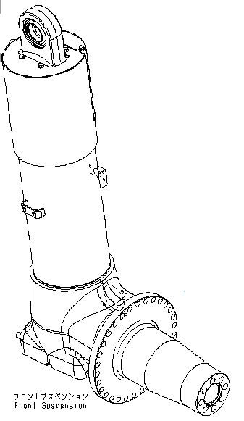
6 | Cylinder and Spindle
 |  |  | • | Remove mounting bolts (23).

24
 |  |  | • | Pull out tube (24) from the cylinder.
 |  |  |  | (Check cylinder for damage, scratch, and wear)
25
 |  |  | • | Check Spindle (25) for damage, scratch, and wear.
23

NOTE:

 | DISSASSEMBLY BY |  |  |  |  |  | INSPECTED BY |  |  |  |  |  | APPROVED BY

 | MECHANIC |  |  |  |  |  | QA(QUALITY ASSURANCE) |  |  |  |  |  | GL/SPV PRODUCTION

 |  |  |  |  |  |  |  |  |  |  |  |  |  |  | Revisi : 0

B. Hoist Cylinder
PT SAPTAINDRA SEJATI
PLANT REBUILD CENTER
 |  |  |  |  |  |  |  |  |  |  |  |  |  | Form No. RCE/22/F-002

DISASSEMBLY CHECK SHEET |  |  |  |  |  | MO/RO NUMBER |  |  |  |  |  | DOCUMENT NO
HOIST CYLINDER |  |  |  |  |  | COMP.MODEL |  |  |  |  |  | PUBLIC DATE
 |  |  |  |  |  | COMP.S/N |  |  |  |  |  | REVISION NO |  | 0
HD785-7 |  |  |  |  |  | UNIT MODEL |  |  |  |  |  | PAGE |  | 1

PROCESS |  | START |  |  |  |  |  | DISASSEMBLY BY
 |  | FINISH

NO | PART TO REMOVE OR INSPECT |  | CONDITION TOBE INSPECTED |  |  |  |  | REUSE | SALVAGE | REPLACE | SKETCH DRAWING OR PHOTHOES

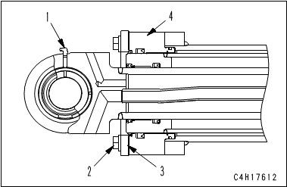
1 | Hoist Cylinder Assembly
 |  |  |  |  | IMPORTANT
 |  |  |  | Take care not to damage the rod packing, dust seal, piston ring, wear ring, etc.

 |  |  | • | Remove grease fitting (1).

 |  |  | • | Remove mounting bolt (2) of cylinder head assembly.
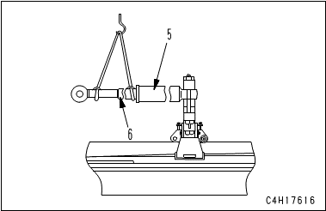
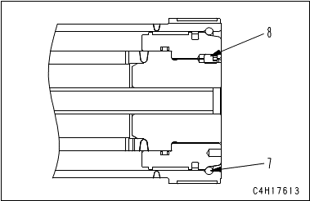
 |  |  | • | Remove plate (3) and cylinder head assembly (4).

 |  |  | • | Pull out cylinder II and rod assembly (6) from cylinder I (5).
 |  |  |  | (Check cylinder I for damage, crack, scratch, and wear)

 |  |  | • | Remove snap ring (7).

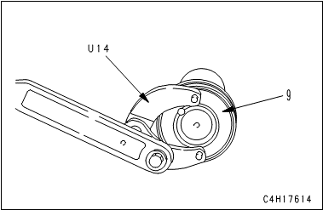
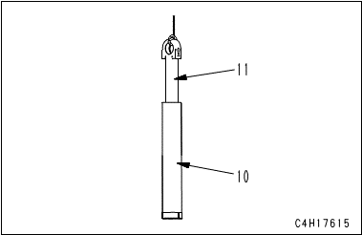
 |  |  | • | Remove lock screw (8) of the piston assembly.

 |  |  | • | Remove piston assembly (9).

 |  |  | • | Sling rod (11), and remove it from cylinder II (10).
 |  |  |  | (Check rod for damage, scratch, and wear)

 |  |  |  | Put a container under the cylinder to receive the oil.

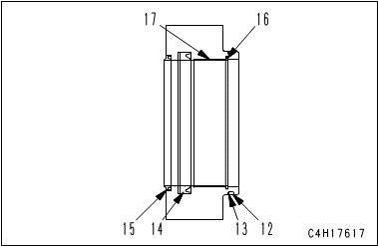
2 | Head Assembly
 |  |  | • | Remove O-ring (12) and backup ring (13).

 |  |  | • | Remove rod packing (14).

 |  |  | • | Remove dust seal (15).

 |  |  | • | Remove snap ring (16).

 |  |  | • | Remove bushing (17).
 |  |  |  | (Check rod for damage, scratch, and wear)

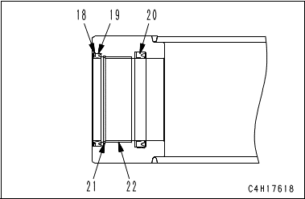
3 | Cylinder II
 |  |  | • | Remove snap ring (18).

 |  |  | • | Remove dust seal (19).

 |  |  | • | Remove rod packing (20).

 |  |  | • | Remove snap ring (21).

 |  |  | • | Remove bushing (22).
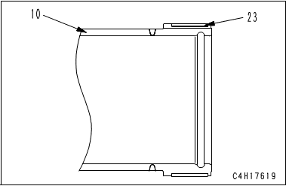
 |  |  | • | Remove wear ring (23) from cylinder II (10).
 |  |  |  | (Check Cylinder II for damage, scratch, and wear)

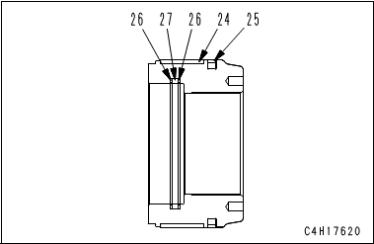
4 | Piston Assembly
 |  |  | • | Remove wear ring (24).

 |  |  | • | Remove piston ring (25).

 |  |  | • | Remove backup ring (26) and O-ring (27).
 |  |  |  | (Check Piston Assembly for damage, scratch, and wear)

NOTE:

 | DISSASSEMBLY BY |  |  |  |  |  | INSPECTED BY |  |  |  |  |  | APPROVED BY

 | MECHANIC |  |  |  |  |  | QA(QUALITY ASSURANCE) |  |  |  |  |  | GL/SPV PRODUCTION

 |  |  |  |  |  |  |  |  |  |  |  |  |  |  | Revisi : 0

C. Rear Suspension
 |  |  |  |  |  |  |  |  |  |  |  |  |  | Form No. RCE/22/F-002
PT SAPTAINDRA SEJATI
PLANT REBUILD CENTER

DISASSEMBLY CHECK SHEET |  |  |  |  |  | MO/RO NUMBER |  |  |  |  |  | DOCUMENT NO
REAR SUSPENSION |  |  |  |  |  | COMP.MODEL |  |  |  |  |  | PUBLIC DATE
 |  |  |  |  |  | COMP.S/N |  |  |  |  |  | REVISION NO |  | 0
HD785-7 |  |  |  |  |  | UNIT MODEL |  |  |  |  |  | PAGE |  | 1

PROCESS |  | START |  |  |  |  |  | DISASSEMBLY BY
 |  | FINISH

NO | PART TO REMOVE OR INSPECT |  | CONDITION TOBE INSPECTED |  |  |  |  | REUSE | SALVAGE | REPLACE | SKETCH DRAWING OR PHOTHOES

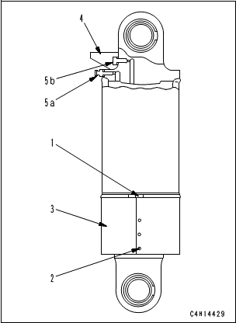
1 | Cylinder Rod Assembly
 |  |  |  |  | IMPORTANT
 |  |  |  | Take care not to damage the rod packing, dust seal, piston ring, wear ring, etc.

 |  |  | • | Loosen clamp (1), undo buttons (2), and remove guard (3).

 |  |  | • | Remove cover (4), air intake valve (5a), and oil level valve (5b).

 |  |  | • | Drain the cylinder oil.
 |  |  |  |  | Cylinder : 16.5 l

 |  |  | • | Erect the cylinder assembly upside down.

 |  |  | • | Remove the mounting bolt of retainer (6).

 |  |  | • | Slowly sling and remove cylinder rod assembly (7), retainer (6) and flange (8) together from cylinder (9).
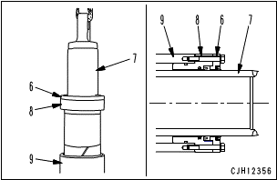
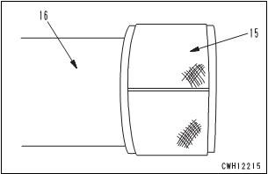
 |  |  |  | (Check Cylinder for damage, crack, scratch, and wear)

 |  |  | • | Remove retainer (6) and flange (8) from cylinder rod assembly (7).

 |  |  | • | Remove wear ring (15) from rod (16).
 |  |  |  | (Check rod for damage, scratch, and wear)

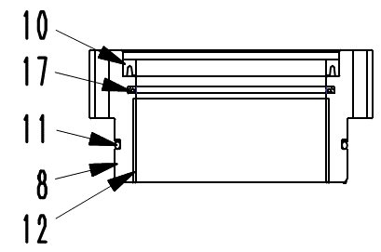
2 | Flange
 |  |  | • | Remove U-packing (10).

 |  |  | • | Remove buffer ring (17).

 |  |  | • | Remove backup ring and O-ring (11).

 |  |  | • | Remove bushing (12) from flange (8).
 |  |  |  | (Check Flange for damage, scratch, and wear)

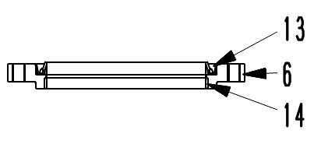
3 | Retainer
 |  |  | • | Remove seal (13).

 |  |  | • | Remove bushing (14) from retainer (6).
 |  |  |  | (Check Retainer for damage, scratch, and wear)

NOTE:

 | DISSASSEMBLY BY |  |  |  |  |  | INSPECTED BY |  |  |  |  |  | APPROVED BY

 | MECHANIC |  |  |  |  |  | QA(QUALITY ASSURANCE) |  |  |  |  |  | GL/SPV PRODUCTION

 |  |  |  |  |  |  |  |  |  |  |  |  |  |  | Revisi : 0

D. Steering Cylinder
 |  |  |  |  |  |  |  |  |  |  |  |  | Form No. RCE/22/F-002
PT SAPTAINDRA SEJATI
PLANT REBUILD CENTER

DISASSEMBLY CHECK SHEET |  |  |  |  | MO/RO NUMBER |  |  |  |  |  | DOCUMENT NO
STEERING CYLINDER |  |  |  |  | COMP. MODEL |  |  |  |  |  | PUBLIC DATE
 |  |  |  |  | COMP. S/N |  |  |  |  |  | REVISION NO |  | 0
HD785-7 |  |  |  |  | UNIT MODEL |  |  |  |  |  | PAGE |  | 1

PROCESS |  | START |  |  |  |  | DISASSEMBLY BY
 |  | FINISH

NO | PART TO REMOVE OR INSPECT |  | CONDITION TOBE INSPECTED |  |  |  | REUSE | SALVAGE | REPLACE | SKETCH DRAWING OR PHOTHOES

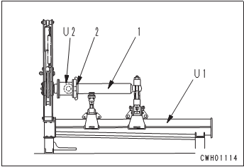
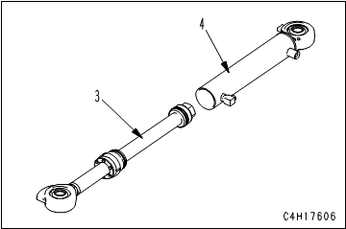
1 | Cylinder Rod Assembly
 |  |  | • | Loosen cylinder head nut (2), and remove cylinder head assembly.

 |  |  | • | Pull cylinder head and piston rod assembly (3) out of cylinder (4).

 |  |  |  | (Check Cylinder for damage, crack, scratch, and wear)

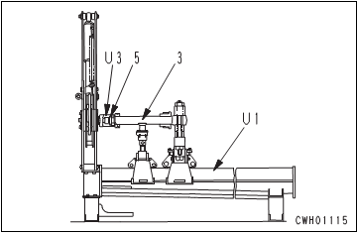
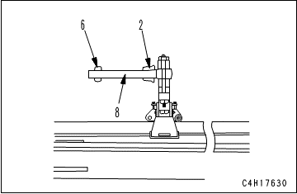
 |  |  |  | Put an oil pan under the cylinder to receive the oil.

 |  |  | • | Remove nut (5).

 |  |  | • | Remove piston assembly (6) and cylinder head assembly (2) from rod (8).

 |  |  |  | (Check rod for damage, scratch, and wear)

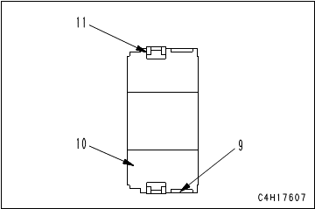
2 | Piston
 |  |  | • | Remove wear ring (9).

 |  |  | • | Remove piston ring (11).
 |  |  |  | (Check Piston for damage, scratch, and wear)

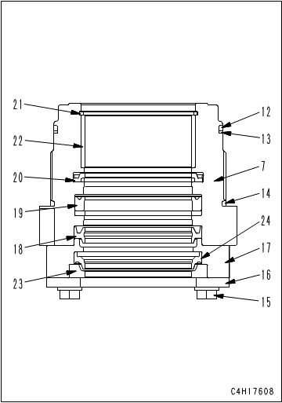
3 | Cylinder Head and Collar
 |  |  | • | Remove O-ring (12), backup ring (13), and O-ring (14).

 |  |  | • | Remove bolt and washer (15).

 |  |  | • | Remove plate (16) and collar (17).
 |  |  |  | (Check Collar for damage, scratch, and wear)

 |  |  | • | Remove ring (23) and dust seal (24) from collar (17).

 |  |  | • | Remove dust seal (18).

 |  |  | • | Remove packing (19).

 |  |  | • | Remove buffer ring (20).

 |  |  | • | Remove snap ring (21), and remove bushing (22).
 |  |  |  | (Check Head for damage, scratch, and wear)

NOTE:

 | DISSASSEMBLY BY |  |  |  |  | INSPECTED BY |  |  |  |  |  | APPROVED BY

 | MECHANIC |  |  |  |  | QA(QUALITY ASSURANCE) |  |  |  |  |  | GL/SPV PRODUCTION

 |  |  |  |  |  |  |  |  |  |  |  |  |  | Revisi : 0

